Sheet1


M/S Saeed Sons |  |  |  |  | 2-Jan-24

PO # MZN-1537
Att: Mr. Sheeraz

PURCHASE ORDER against quote Ref # 14695

Supply of Pipes for the project (Meezan Bank Head Office)
S No. | D e s c r i p t i o n | Qty | Unit | Rate | Amount
 | Brand: PROTEK |  |  |  |  |  | fakhri | saeed
1 | M.S. Reducing Tee 8 x 4 SCH 40 | 4 | Nos | 11,275 | 45,100 | 902 | 10,373
2 | M.S. Reducing Tee 6 x 4 SCH 40 | 4 | Nos | 5,935 | 23,740 | 475 | 5,460
3 | M.S. Reducing Tee 5 x 4 SCH 40 | 4 | Nos | 4,208 | 16,832 | 337 | 3,871 | 3,370
4 | M.S Elbow 2-1/2" SCCH 40 90 Degree | 2 | Nos | 770 | 1,540 | 62 | 708
5 | M.S Elbow 8" SCCH 40 90 Degree | 8 | Nos | 12,980 | 103,840 | 1,038 | 11,942
6 | MS Ceoncentric reduser 8" x 6" SCH 40 | 2 | Nos | 2,910 | 5,820 | 233 | 2,677
7 | MS Ceoncentric reduser 6" x 5" SCH 40 | 2 | Nos | 1,940 | 3,880 | 155 | 1,785
8 | MS Ceoncentric reduser 5" x 2-1/2" SCH 40 | 2 | Nos | 1,410 | 2,820 | 113 | 1,297
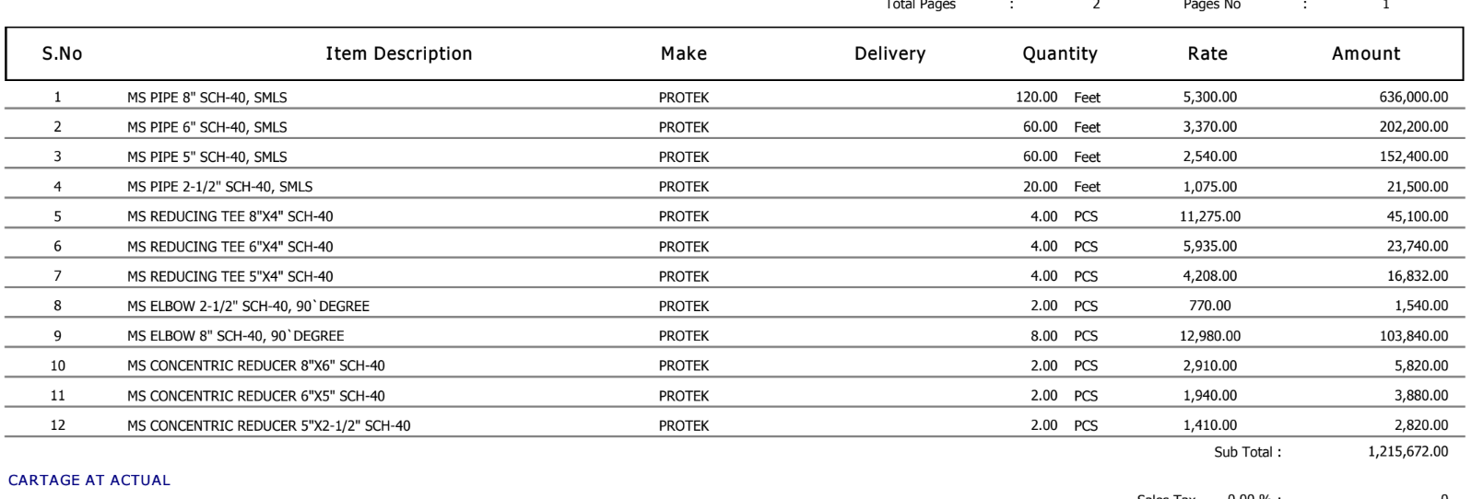
 |  | TOTAL: |  |  | 203,572
Discount 2% |  |  |  |  | 4,071
Total amount |  |  |  |  | 199,501

for PIONEER ENGINEERING SERVICES

